Assy BOM
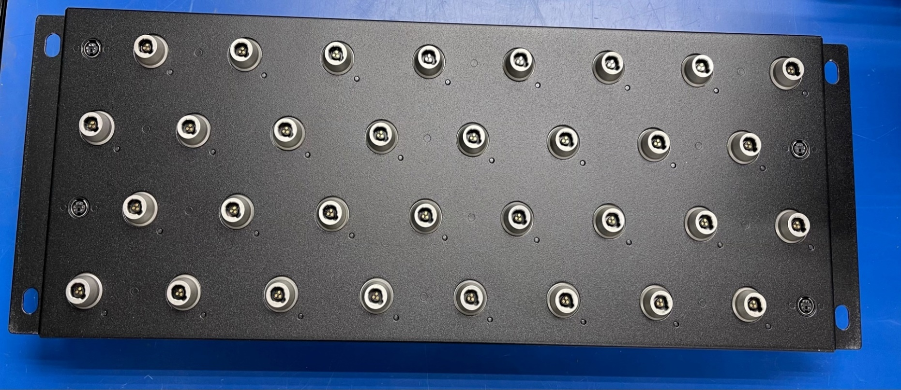
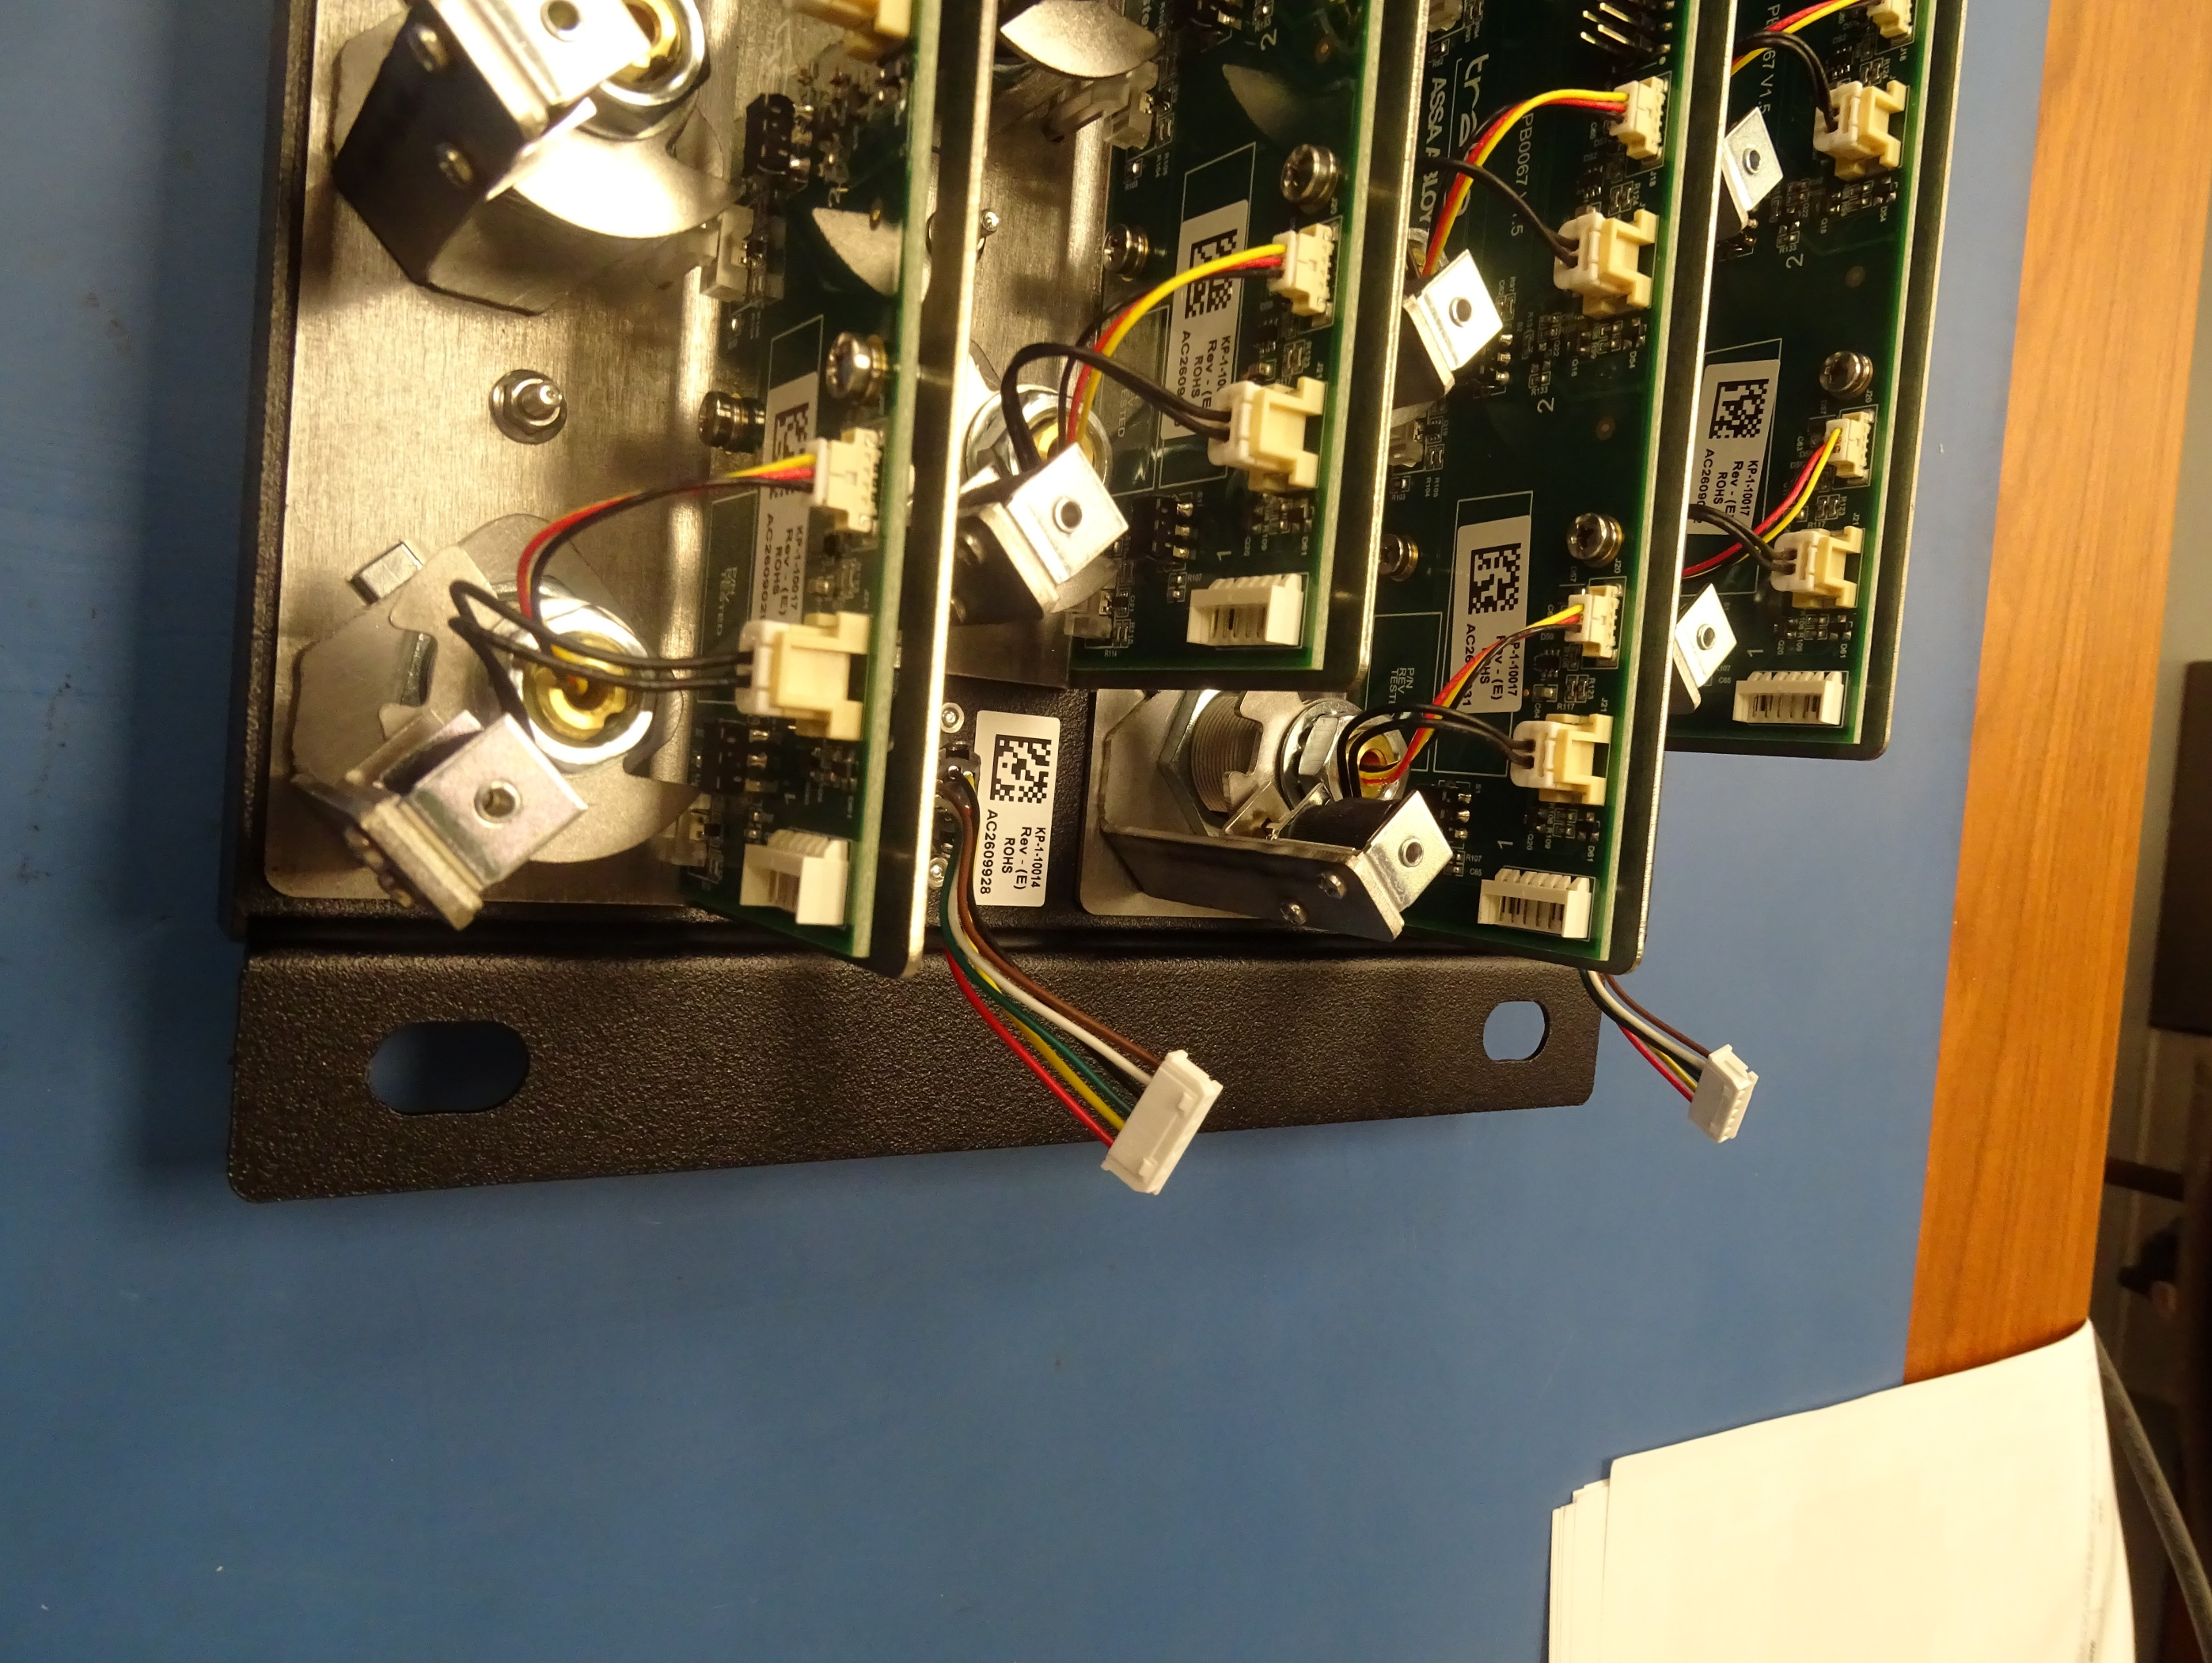
BOM FOR ASSEMBLY |  |  |  |  |  |  |  |  | Referral: | 0 |  |  |  |  |  |  |  |  |  |  | NA,0
 |  |  |  |  |  | "POU LEGEND" "Not Installed (DNI)" "Top & Back(SMT)" "HAND Place (HP)" "SLIDE & WAVE (PTH)" "Hand Solder (HS)" "Final Assembly (FA)" "Pack" "Cable Assm (CA)" |  |  |  |  |  | Notes for Purchasing |  |  |  |  |  |  |  |  | Read_Desc_DB,1
Job #: | 8303LF | Cust | Keyper |  |  |  |  |  |  |  |  |  |  |  |  |  |  |  |  |  | Write_Desc_DB, 2
Job Rev: | E | Cust P/N | BP0208 (XT Panel) |  |  |  |  |  |  |  |  |  |  |  |  |  |  |  |  |  | Read_POU_DB, 3
Last Rev: | 2025-11-13 | Cust Rev: | E |  |  |  |  |  |  |  |  |  |  |  |  |  |  |  |  |  | Write_POU_DB, 4
 |  |  |  |  |  |  |  |  |  |  |  |  |  |  |  |  |  |  |  |  | Read_JOB_Note_DB, 5
Notes: | Part Supply:Customer & ACI <Lead Free/Water Soluble> |  |  |  |  |  |  |  |  |  |  | PER ASSY COST TO PURCHASE |  |  | 0.000 |  |  |  |  |  | Write_JOB_Note_DB, 6
 |  |  |  |  |  |  |  |  |  |  |  | TOTAL PURCHASE COST |  |  | 0.000 |  |  |  |  |  | Read_MPN_NOTE_DB, 7
 |  |  |  |  |  |  |  | Build Qty |  |  |  |  |  |  |  |  |  |  |  |  | Write_MPN_NOTE_DB, 8
Line | DESC | MAN | MPN | ACI PN | QTY | POU | LOC | 100 | STK | ORD | ORDD | PAID | DIST | PO | DUE | REC | NOTES | purchasing notes | vendor p/n | cust p/n
10 | NUT - M2 - NYLOC - BZP | hitech | M2NL-SS | 8303LF-10 | 8 | FA | REFER-KP-1-10014 | 0.770 |  | 805
10 | ZSUB FOR ABOVE | McMaster | 93625A101 | 8303LF-10 | 0 | FA | REFER-KP-1-10014 |  |  | 0
15 | NUT - M3 - SERRATED FLANGE | hitech | M3NR-SS | 8303LF-15 | 12 | FA | REFER-KP-1-10014 | 0.080 |  | 1225
15 | ZSUB FOR ABOVE | McMaster | 97400A135 | 8303LF-15 | 0 | FA | REFER-KP-1-10014 |  |  | 0
20 | FASCIA ASSEMBLY - KEYPER XT PANEL | AccuTrex | KP-1-10012 | 8303LF-20 | 1 | FA | REFER-KP-1-10014 | 27.070 |  | 100
25 | RECEPTOR STRIP ASSEMBLY - KEYPER XT PANEL | ACI | KP-1-10017 | 8303LF-25 | 4 | FA | REFER-KP-1-10014 | 0.000 |  |  |  |  |  |  |  |  |  | Sub Assembly do not order
30 | CABLE ASSEMBLY - EMERGENCY KEY RELEASE | Holder | KP-3-10000(see note) | 8303LF-30 | 4 | FA | REFER-KP-1-10014 | 4.600 |  | 401 |  |  |  |  |  |  | Outside Supplier,do not order
35 | CABLE ASSEMBLY - BOARD TO BOARD - KEYPER IFOB & XT PANEL | Holder | KP-3-10001(see note) | 8303LF-35 | 3 | FA | REFER-KP-1-10014 | 1.380 |  | 303 |  |  |  |  |  |  | Outside Supplier,do not order
36 | NA36 | na36 | na36 | 8303LF-36 | 0 | na59 | na59 | 0.000 |  | 0
40 | CRIMP HOUSING - MOLEX - 502351 SERIES - 2 WAY | Molex | 5023510200(INCLUDED IN KP-1-10016) | 8303LF-40 | 32 | FA | REFER-KP-1-10016 | 0.000
45 | CRIMP TERMINAL - MOLEX 560085 SERIES - 22-26 AWG | Molex | 5600850101(INCLUDED IN KP-1-10016) | 8303LF-45 | 64 | FA | REFER-KP-1-10016 | 0.000
50 | RECEPTOR SOLENOID | AccuTrex | SDO0417L-060-0002(INCLUDED IN KP-1-10016) | 8303LF-50 | 32 | FA | REFER-KP-1-10016 | 0.000
52 | NAJ | Naj | NA52 | 8303LF-52 | 0 | na59 | na59 | 0.000 |  | 0
55 | PCA - KEYPER XT PANEL (SEE BM-3-0114) | HUSWIN | 8303L-1(see note) | 8303LF-55 | 4 | FA | REFER-KP-1-10017 | 0.000 |  |  |  |  |  |  |  |  | Outside Supplier,do not order
57 | LIGHT PIPE - LUMEX LPF-C011304S | Lumex | LPF-C011304S | 8303LF-57 | 32 | FA | REFER-8303L-1 | 0.484 |  | 3215
59 | NA59 | na59 | na59 | 8303LF-59 | 0 | na59 | na59 | na59 | na59 | 0
60 | SCREW - M2 X 4MM - PAN - CRS - ZINC | hitech | M24MPP-SS | 8303LF-60 | 64 | FA | REFER-KP-1-10017 | 0.080 |  | 6425
60 | ZSUB FOR ABOVE | McMaster | 92000A011 | 8303LF-60 | 0 | FA | REFER-KP-1-10017 | 0.000 |  | 0
65 | SCREW - M3 X 6MM - POZI PAN - BZP | McMaster | 92000A116 | 8303LF-65 | 24 | FA | REFER-KP-1-10017 | 0.060 |  | 2450
70 | WASHER - M3 - SHAKEPROOF - BZP (LOCK) | McMaster | 92148A150 | 8303LF-70 | 24 | FA | REFER-KP-1-10017 | 0.010 |  | 2500
75 | KEY PORT - XT - PGM - WIRED - 40MM - CRIMPED | medco | EA-100196-002 | 8303LF-75 | 32 | FA | REFER-KP-1-10017 | Customer supplied | Customer Supplied | 3200 |  |  |  |  |  |  |  | $0.00 PO REQUIREMENT$0.00 PO REQUIREMENT$0.00 PO REQUIREMENT$0.00 PO REQUIREMENT$0.00 PO REQUIREMENT$0.00 PO REQUIREMENT$0.00 PO REQUIREMENT$0.00 PO REQUIREMENT$0.00 PO REQUIREMENT$0.00 PO REQUIREMENT$0.00 PO REQUIREMENT$0.00 PO REQUIREMENT$0.00 PO REQUIREMENT
75 | ZSUB FOR ABOVE | keyper | KP-3-10004 | 8303LF-75 | 0 | FA | REFER-KP-1-10017 | Customer supplied | Customer Supplied | 0 |  |  |  |  |  |  |  | $0.00 PO REQUIREMENT$0.00 PO REQUIREMENT$0.00 PO REQUIREMENT$0.00 PO REQUIREMENT$0.00 PO REQUIREMENT$0.00 PO REQUIREMENT$0.00 PO REQUIREMENT$0.00 PO REQUIREMENT$0.00 PO REQUIREMENT$0.00 PO REQUIREMENT$0.00 PO REQUIREMENT$0.00 PO REQUIREMENT$0.00 PO REQUIREMENT
80 | CHASSIS ASSEMBLY - KEYPER XT PANEL | AccuTrex | KP-1-10013 | 8303LF-80 | 4 | FA | REFER-KP-1-10017 | 17.440 |  | 400
85 | SOLENOID ASSEMBLY - KEYPER XT PANEL | NSF Controls | KP-1-10016(SEE 8303LF-40,8303LF-45,8303LF-50) | 8303LF-85 | 32 | FA | REFER-KP-1-10017 | 1.770 |  | 3203
90 | SOLENOID MOUNTING BRACKET (REV D) | AccuTrex | KP-2-10013 | 8303LF-90 | 32 | FA | REFER-KP-1-10017 | 0.870 |  | 3205
95 | CAM - KEYPER XT PANEL (REV C) | AccuTrex | KP-2-10014 | 8303LF-95 | 32 | FA | REFER-KP-1-10017 | 0.000
100 | SOLENOID BRACKET - KEYPER XT PANEL | AccuTrex | KP-2-10015 | 8303LF-100 | 32 | FA | REFER-KP-1-10017 | 1.090 |  | 3203
110 | Programming | Customer | XTPANEL | 8303LF-110 | 0 | FA | TP-0091 | 0.000 |  | 0
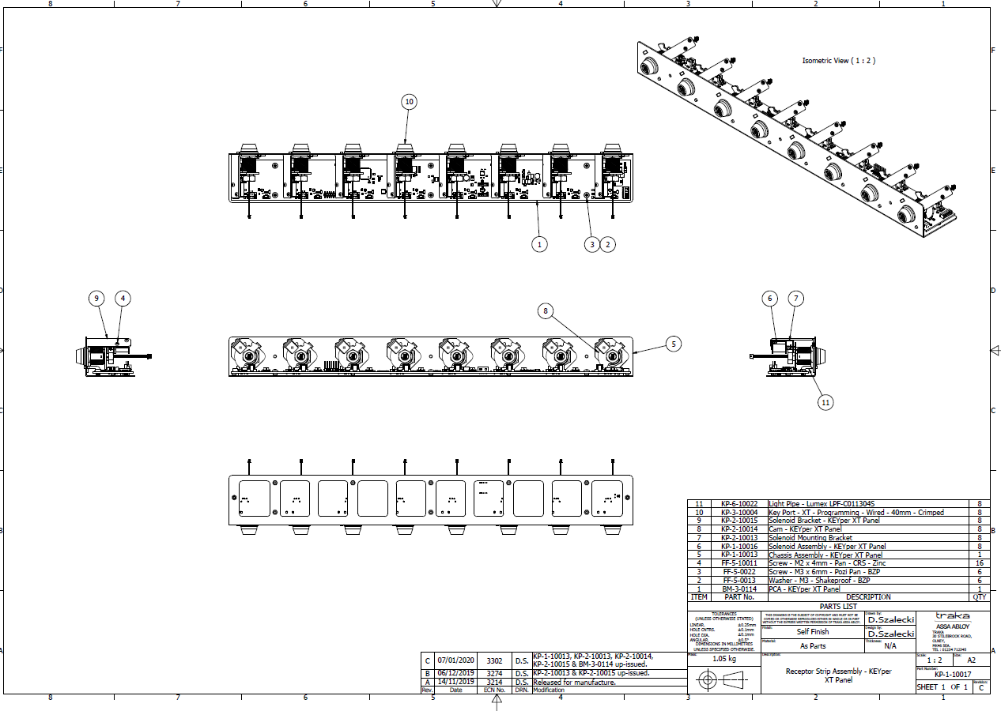

light Pipe
Solendoid
solenoid Bracket

